Risk Management Matrix
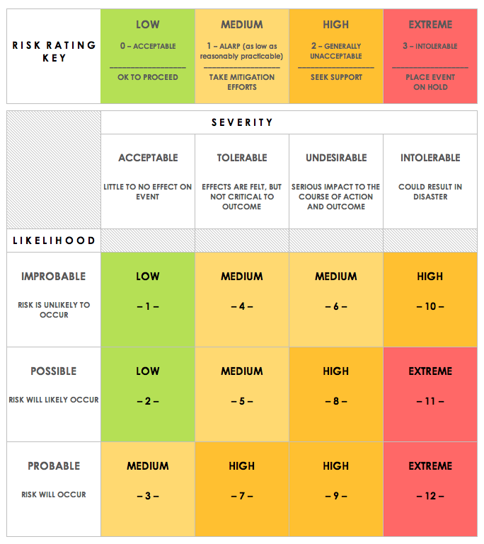
TESLA INVENTORY SYSTEM RISK MANAGEMENT MATRIX
NAME |  |  |  |  | OBJECTIVE
REF/ID | PRE-MITIGATION |  |  |  | MITIGATIONS / WARNINGS / REMEDIES | POST-MITIGATION |  |  |  | RISK SEVERITY KEY | RISK LIKELIHOOD KEY | RISK LEVEL KEY | ACCEPTABLE TO PROCEED? KEY
 | RISK | RISK SEVERITY | RISK LIKELIHOOD | RISK LEVEL |  | RISK SEVERITY | RISK LIKELIHOOD | RISK LEVEL | ACCEPTABLE TO PROCEED?
1 | Nobody wants the product | UNDESIRABLE | POSSIBLE | MEDIUM | Need to think carefully about the business case of the project with BOSCARD | ACCEPTABLE | IMPROBABLE | LOW | YES | ACCEPTABLE | IMPROBABLE | LOW | YES
2 | Losing the database | UNDESIRABLE | POSSIBLE | MEDIUM | Will periodically back up the database on Gdrive and Git. | INTOLERABLE | IMPROBABLE | MEDIUM | YES | TOLERABLE | POSSIBLE | MEDIUM | NO
3 | Security flaws with sensitive information (usernames and passwords) | UNDESIRABLE | PROBABLE | HIGH | Unlikely to happen during development as the application will be hosted locally. However, after development has finished, this could be considered by the security team. | UNDESIRABLE | IMPROBABLE | MEDIUM | YES | UNDESIRABLE | PROBABLE | HIGH
4 | Pandemic stops project | UNDESIRABLE | IMPROBABLE | LOW | Will work remotely and pass on the project if there are any issues. | UNDESIRABLE | IMPROBABLE | MEDIUM | YES | INTOLERABLE |  | EXTREME
5 | Loss of data from bad command (i.e. rm -rf * or DROP table) | INTOLERABLE | PROBABLE | EXTREME | Will edit the bashrc file and user privileges on SQL to avoid this from occuring | INTOLERABLE | IMPROBABLE | MEDIUM | YES
6 | Not finishing project on time

CLICK HERE TO CREATE IN SMARTSHEET

